Assy BOM
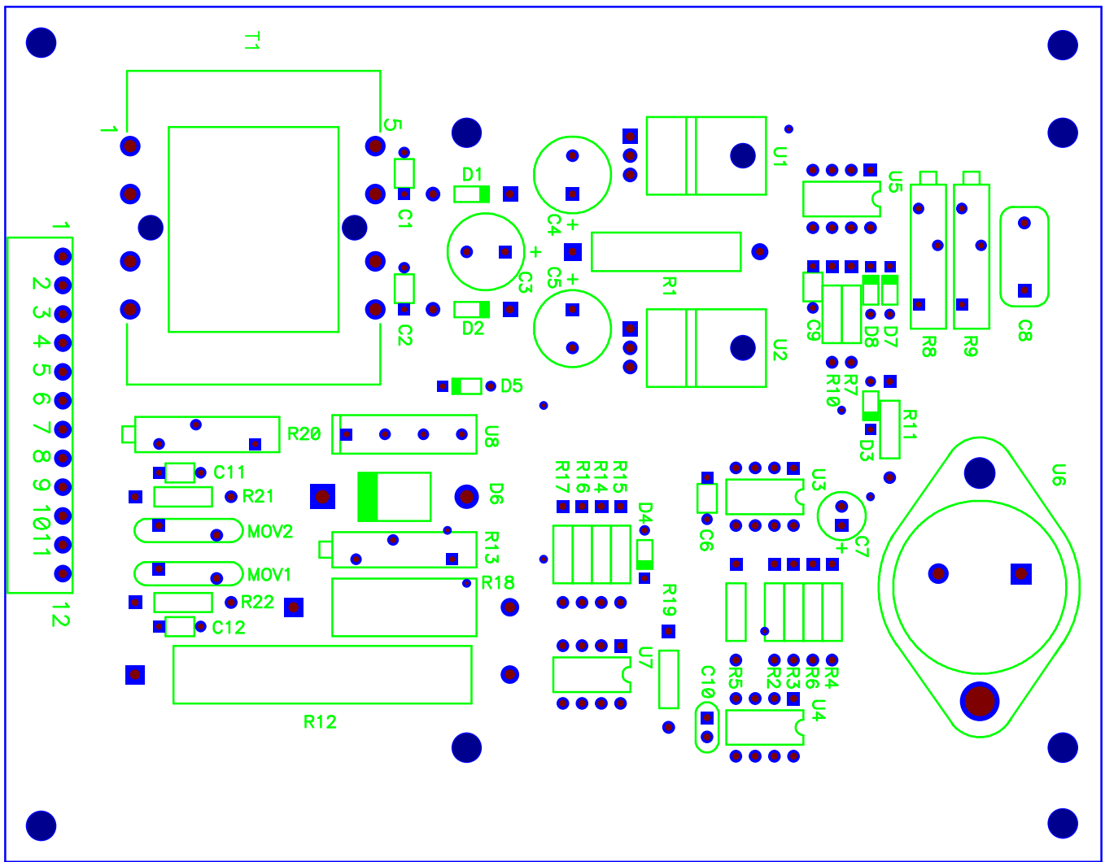
BOM FOR ASSEMBLY |  |  |  |  |  |  |  |  | Referral: | 0
 |  |  |  |  |  |  |  |  |  |  |  | Notes for Purchasing
Job #: | 5477 | Cust | SEC INC |  |  | "POU LEGEND" "Not Installed (DNI)" "Top & Back(SMT)" "HAND Place (HP)" "SLIDE & WAVE (PTH)" "Hand Solder (HS)" "Final Assembly (FA)" "Pack" "Cable Assm (CA)"
Job Rev: | L | Cust P/N | PP-06809-07
Last Rev: | 2026-03-26 | Cust Rev: | -

Notes: | Part Supply:Customer & ACI MANY RESISTORS ARE ALL THE SAME COLOR!!! CHECK VALUES BEFORE PLACEMENT!!! <Tin Lead/Water Soluble> |  |  |  |  |  |  |  |  |  |  | PER ASSY COST TO PURCHASE |  |  | 0.000
 |  |  |  |  |  |  |  |  |  |  |  | TOTAL PURCHASE COST |  |  | 0.000
 |  |  |  |  |  |  |  | Build Qty
Line | DESC | MAN | MPN | ACI PN | QTY | POU | LOC | 100 | STK | ORD | ORDD | PAID | DIST | PO | DUE | REC | NOTES | purchasing notes | vendor p/n | cust p/n
1 | TRANSFORMER PTH { DO NOT WASH } | STANCOR | DSW-424 | 5477-1 | 1 | HS | T1 | 14.090 |  | 100
2 | VOLT REG, 12V PTH | FAIRCHILD | LM7812C | 5477-2 | 2 | PTH | U1,U2 | 1.430 |  | 203
2 | ZSUB FOR ABOVE | FAIRCHILD | LM7812CT | 5477-2 | 2 | PTH | U1,U2 | 1.290 |  | 203
2 | ZSUB FOR ABOVE | TI | LM7812CT/NOPB | 5477-2 | 2 | PTH | U1,U2 | 1.290 |  | 203
3 | COMPARATOR PTH | FAIRCHILD | LM311N | 5477-3 | 2 | PTH | U4,U7 | 1.150 |  | 203
3 | ZSUB FOR ABOVE | TI | LM311N/NOPB | 5477-3 | 2 | PTH | U4,U7 | 0.662 |  | 205
4 | TIMER PTH | FAIRCHILD | LM555CN | 5477-4 | 2 | PTH | U3,U5 | 0.600 |  | 205
4 | ZSUB FOR ABOVE | TI | NE555P | 5477-4 | 2 | PTH | U3,U5 | 0.324 |  | 215
5 | BJT NPN PTH TO-3 | NTE | MJ10012 | 5477-5 | 1 | PTH | U6 | 6.690 | Customer Supplied | 100
6 | SCREW, BUTTON HEAD PHILLIPS #6-32 X 5/16 SS | McMaster | 91773A145 | 5477-6 | 2 | FA | REFERU6 | 0.100 |  | 225
7 | 18-8 STAINLESS STEEL WASHER FOR NUMBER 6 SCREW SIZE, 0.156" ID, 0.312" OD | McMaster | 92141A008 | 5477-7 | 2 | FA | REFERU6 | 0.050 |  | 240
8 | 18-8 STAINLESS STEEL HEX NUT 6-32 THREAD SIZE | McMaster | 91841A007 | 5477-8 | 2 | FA | REFERU6 | 0.050 |  | 240
9 | DIODE, 1000V PTH | ANY | 1N4004 | 5477-9 | 2 | PTH | D1,D2 | 0.150 |  | 225
9 | ZSUB FOR ABOVE | MCC | 1N4004-TR | 5477-9 | 2 | PTH | D1,D2 | 0.071 |  | 225
10 | DIODE PTH | ANY | 1N914 | 5477-10 | 5 | PTH | D3,D4,D5,D7,D8 | 0.032 |  | 600
10 | ZSUB FOR ABOVE | FAIRCHILD/ONSEMI | 1N914TR | 5477-10 | 5 | PTH | D3,D4,D5,D7,D8 | 0.018 |  | 600
11 | DIODE PTH | NTE | NTE589 | 5477-11 | 1 | PTH | D6 | 1.880 |  | 103
11 | ZSUB FOR ABOVE | Taiwan Semiconductor | SF66G | 5477-11 | 1 | PTH | D6 | 1.880 |  | 103
11 | ZSUB FOR ABOVE | Taiwan Semiconductor | SF66GH | 5477-11 | 1 | PTH | D6 | 1.880 |  | 103
12 | CAP CER 0.1UF 50V 10% RADIAL PTH | AVX | CK05BX104K | 5477-12 | 6 | PTH | C1,C2,C6,C9,C11, C12 | 0.800 |  | 605
13 | CAP ALUM 560UF 20% 35V RADIAL PTH | NICHICON | UHE1V561MPD | 5477-13 | 3 | PTH | C3,C4,C5 | 0.476 |  | 315
13 | ZSUB FOR ABOVE | NICHICON | UHE1V561MPD1TD | 5477-13 | 3 | PTH | C3,C4,C5 | 0.476 |  | 315
14 | CAP ALUM 47UF 20% 35V RADIAL PTH | NICHICON | UVZ1V470MDD | 5477-14 | 1 | PTH | C7 | 0.094 |  | 120
15 | CAP FILM 0.22UF 1% 50VDC RADIAL PTH | PANASONIC | ECQ-P1H224FZW | 5477-15 | 1 | PTH | C8 | 0.520 |  | 105
15 | ZSUB FOR ABOVE | PANASONIC | ECQ-P1H244FZW | 5477-15 | 1 | PTH | C8 | 0.800 |  | 105
15 | ZSUB FOR ABOVE | PANASONIC | ECW-F2W224JAQ | 5477-15 | 1 | PTH | C8 | 1.000 |  | 103
16 | CAP TANT 1UF 35V 10% RADIAL PTH | AVX | TAP105K035SCS | 5477-16 | 1 | PTH | C10 | 0.316 |  | 115
16 | ZSUB FOR ABOVE | AVX | TAP105K035SRW | 5477-16 | 1 | PTH | C10 | 0.299 |  | 115
17 | RES,WIRE 22OHMS 5W 5% PTH | NTE | 5W022 | 5477-17 | 1 | PTH | R1 | 0.500 | Customer Supplied | 105
18 | RES 13.0K OHM 1/4W 1% AXIAL PTH | VISHAY/DALE | CMF5013K000FHEB | 5477-18 | 1 | PTH | R2 | 0.358 |  | 115
19 | RES 1.00K OHM 1/2W 1% AXIAL PTH | VISHAY/DALE | CMF551K0000FHEB | 5477-19 | 6 | PTH | R3,R6,R7,R11,R19,R22 | 0.145 |  | 625
20 | RES, 68.1 OHM 1/2W 1% AXIAL PTH | VISHAY/DALE | CMF5568R100FHEB | 5477-20 | 1 | PTH | R10 | 0.220 |  | 120
21 | RES, 10KOHM 1/2W 1% AXIAL PTH | VISHAY/DALE | CMF5510K000FHEB | 5477-21 | 4 | PTH | R4,R5,R16,R17 | 0.150 |  | 425
22 | RES, 4.75KOHM 1/2W 1% AXIAL PTH | VISHAY/DALE | CMF554K7500FHEB | 5477-22 | 2 | PTH | R14,R15 | 0.183 |  | 225
23 | MOV, 275V PTH | EPCOS | S14K275 | 5477-23 | 2 | PTH | MOV1,MOV2 | 0.200 |  | 225
23 | ZSUB FOR ABOVE | TTI P/N | B72214S271K101 | 5477-23 | 2 | PTH | MOV1,MOV2 | 0.325 |  | 215
24 | POT, 10K 15 TURN PTH | BOURNS | 3009P-1-103LF | 5477-24 | 1 | PTH | R8 | 2.390 |  | 103
25 | POT, 5K 15 TURN PTH | BOURNS | 3009P-1-502LF | 5477-25 | 2 | PTH | R9,R13 | 2.560 |  | 201
26 | POT, 1K 15 TURN PTH | BOURNS | 3009P-1-102LF | 5477-26 | 1 | PTH | R20 | 2.390 |  | 103
27 | RES, WW ENAMEL 4K 10W PTH | OHMITE | 20J4K0 | 5477-27 | 1 | PTH | R12 | 2.170 |  | 103
27 | ZSUB FOR ABOVE | OHMITE | 20J4K0E | 5477-27 | 1 | PTH | R12 | 1.990 |  | 103
28 | REED RELAY 12VDC PTH {MAX 270°C FOR 10 SEC, WASHABLE} | COTO | 9001-12-01 | 5477-28 | 1 | PTH | U8 | 4.110 |  | 101
29 | 12P CONNECTOR PTH (TOP OF BOARD) | ON SHORE | EDSTLZ1550/12 | 5477-29 | 1 | PTH | 12TS | 3.265 |  | 101
29 | ZSUB FOR ABOVE | TE | 1-284513-2 | 5477-29 | 1 | PTH | 12TS | 4.593 |  | 101
29 | ZSUB FOR ABOVE | Phoenix | 1803374 | 5477-29 | 1 | PTH | 12TS | 4.310 |  | 101
29 | ZSUB FOR ABOVE | ON SHORE | OSTOQ123251 | 5477-29 | 1 | PTH | 12TS | 1.267 |  | 103
30 | RES, 1MOHM, 1/2W PTH | VISHAY/DALE | CMF551M0000FHEB | 5477-30 | 1 | PTH | R21 | 0.142 |  | 120
31 | INSULATOR, TO-3 | KEYSTONE | 4651 | 5477-31 | 1 | PTH | U6 | 0.121 |  | 120
35 | DNI | DNI | DNI | 5477-35 | 0 | DNI | R18 | 0.000 |  | 0

